GRAPHS
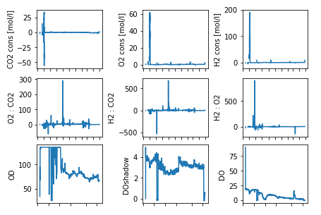
 | ODCX2.PV []
8/2/2022 | 34.2265
8/2/2022 | 94.632625
8/2/2022 | 84.136775
8/2/2022 | 63.578025641
8/2/2022 | 67.215725
8/2/2022 | 79.05335
8/2/2022 | 93.34395
8/2/2022 | 76.596725
8/2/2022 | 90.176075
8/2/2022 | 102.1931
8/2/2022 | 118.936525
8/2/2022 | 120.400175
8/2/2022 | 132.1459
8/2/2022 | 133.20448718
8/2/2022 | 133.4065
8/2/2022 | 133.12335897
8/2/2022 | 133.48235
8/2/2022 | 132.0202
8/2/2022 | 133.61412821
8/2/2022 | 134.75332258
8/2/2022 | 134.82977778
8/2/2022 | 134.8811
8/2/2022 | 134.953625
8/2/2022 | 135
8/2/2022 | 135
8/2/2022 | 134.6346
8/2/2022 | 134.964375
8/2/2022 | 135
8/2/2022 | 135
8/2/2022 | 135
8/2/2022 | 134.961
8/3/2022 | 134.7639
8/3/2022 | 133.88154167
8/3/2022 | 132.2454
8/3/2022 | 133.429075
8/3/2022 | 132.768375
8/3/2022 | 134.9988
8/3/2022 | 135
8/3/2022 | 135
8/3/2022 | 135
8/3/2022 | 135
8/3/2022 | 135
8/3/2022 | 135
8/3/2022 | 135
8/3/2022 | 135
8/3/2022 | 135
8/3/2022 | 135
8/3/2022 | 135
8/3/2022 | 135
8/3/2022 | 135
...

